Cover
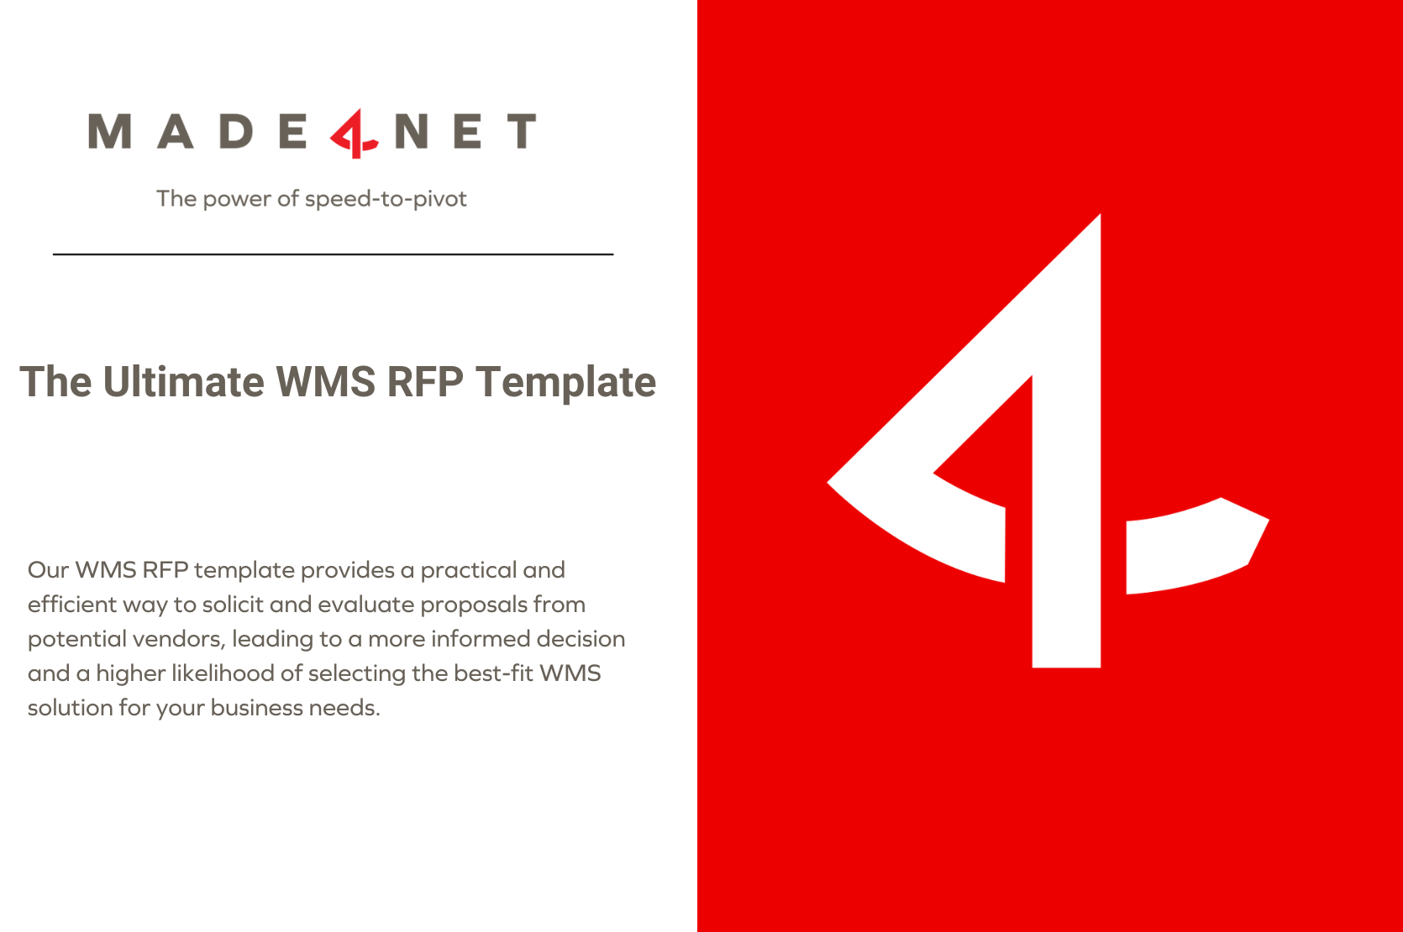

Instructions


Instructions for response:

How to complete this RFP

Priority | In your response to Functional Requirements on this RFP, please indicate the availability and relevance of each requested feature or capability by selecting the appropriate priority level from the following options: 1. Required: The feature is essential for the operation of the system and must be included in the offered solution. The system would not meet our needs without this capability. 2. Desired/Nice to Have: The feature is not critical but would provide significant value or convenience to our operations. Its inclusion would enhance functionality and user experience. 3. Future Requirement: The feature is not needed immediately but is planned for future phases of the project. Indicate if your solution can accommodate this feature as a later addition. 4. Not Required: The feature is not necessary for the functionality of the system within the context of our operations. It will not be a factor in the decision-making process. Please select the most appropriate option for each requirement to reflect its importance to your proposed solution. This will help us understand which features are standard, which can be customized, and which are not applicable to your offering.

Solution Offering | When filling out this RFP, you will come across the "Solution Offering" field, which requires you to classify each feature or capability you are offering. Please select the option that best describes how the feature is provided in your solution from the list below: 1. Standard Functionality: This feature is available out-of-the-box and does not require additional development or configuration. It is part of the core offerings of your solution. 2. Advanced Configuration: The feature is not standard but can be achieved through the system’s existing configuration options without custom coding. This may involve complex setups, no code/low code customization, scripting language, or additional settings within the system’s capabilities. 3. Customization: The feature is not available through standard functionality or configuration and requires custom development work to be implemented into your solution. 4. Future Offering: The feature is not currently available but is planned for release in an upcoming version of your product. 5. Add-on Module Offering: This feature is available as an additional module or extension that can be purchased separately from the core solution. 6. Not Available: The feature is not available in your solution, nor is there a plan to include it in the foreseeable future. Select the most accurate option that applies to your solution for each feature or capability requested in this RFP. Your detailed response will help us assess the fit and readiness of your solution against our specific requirements.

Vendor Comments | Please use this field for additional comments / clarification

About Made4net
